MCDB2150_KK
 |  | New restructed question code (first time same question seen) | Final_all codes | Present in code=1, Present in excluded=2, absent=0, excluded due to data=3 | Maximum Possible Points in Data with MC/TF=1 | Question | Recoding suggestion
cl1 | cl1_fc26 |  | cl1_fc26 | 1 | 1
 | cl1_fc27 |  | cl1_fc27 | 1 | 1
 | cl1_fc28 |  | cl1_fc28 | 1 | 1
 | cl1_fc29 |  | cl1_fc29 | 1 | 1
 | cl1_fc30 |  | cl1_fc30 | 1 | 1
 | cl1_fc31 |  | cl1_fc31 | 3 | 1
 | cl1_fc32 |  | cl1_fc32 | 1 | 1
 | cl1_fc33 |  | cl1_fc33 | 1 | 1
 | cl1_fc34 |  | cl1_fc34 | 1 | 1
 | cl1_fc35 |  | cl1_fc35 | 1 | 1
 | cl1_fc36 |  | cl1_fc36 | 1 | 1
 | cl1_fc37 |  | cl1_fc37 | 1 | 1
 | cl1_fc38 |  | cl1_fc38 | 1 | 1
 | cl1_fc39 |  | cl1_fc39 | 1 | 1
 | cl1_fc40 |  | cl1_fc40 | 1 | 1
 | cl1_fc41 |  | cl1_fc41 | 2 | 10 | 41. [10 points total] Cells in a particular tumor contain mutated copies of a gene. The mutant gene promotes tumor growth. Gene therapy can be used to introduce a normal copy of this gene into tumor cells. A) [3 points] What is the normal function of tumor suppressor genes generally? B) [3 points] Why do mutations in tumor suppressor genes cause cancer? C) [4 points] In the tumor described above, would you expect the gene therapy to be effective if the mutant gene were a tumor suppressor? (Answer should describe the function of the gene rather than merely stating that the gene is dominant or recessive) | not salvageable
 | cl1_fc42 |  | cl1_fc42 | 2 | 11 | 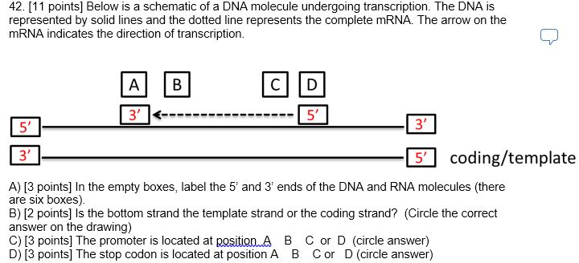 | 1-7:1, 8-10:2, 11:3 (since there are no 0's in sample, then this would collapse to 0,1,2 coding - are we ok with that Derek since those students actually didn't get a 0?)
 | cl1_fc43 |  | cl1_fc43 | 2 | 10 | 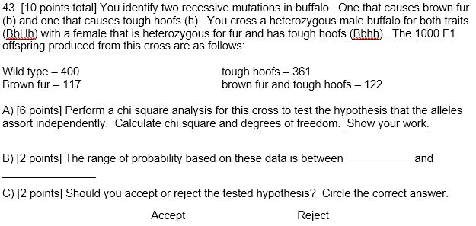 | 0-5:0, 6-9.5:1, 10:2
 | cl1_fc44 |  | cl1_fc44 | 2 | 6 | 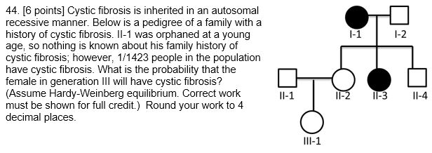 Grading: Probability that II-1 is a carrier for cf: 1/1423 = .0007 = q^2, (1 pt) q=0.0265, p=0.973 (1 pt) 2pq=2(0.0265)(0.973)=0.0516 (2 pts) II-2 is definitely a carrier so 0.0561*1*.25=0.0140 (1 pt for final answer and 1 point for using 0.25) | 1-3:0, 4-5:1, 6:2
 | cl1_fc45 |  | cl1_fc45 | 2 | 13 | 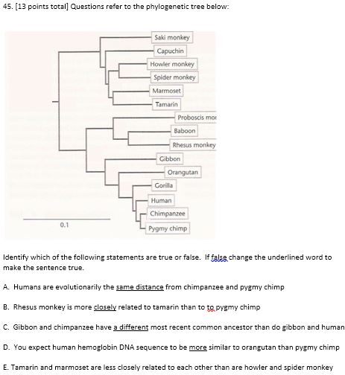 True statements a,e worth 2, false statements + change worth 3pts | exclude
cl11 | cl1_fc44_16pre | cl1_fc44 |  |  | 6
 | cl1_fc26__16pre | cl1_fc26 |  |  | 1
 | cl1_fc37_16pre | cl1_fc37 |  |  | 1
 | cl1_fc39_16pre | cl1_fc39 |  |  | 1
 | cl1_fc42a_16pre | cl1_fc42 |  |  | 3
 | cl1_fc42b_16pre |  |  |  | 2
 | cl1_fc42c_16pre |  |  |  | 3
 | cl1_fc42d_16pre |  |  |  | 3
 | cl1_fc28_16pre | cl1_fc28 |  |  | 1
 | cl1_fc29_16pre | cl1_fc29 |  |  | 1
 | cl1_fc38_16pre | cl1_fc38 |  |  | 1
 | cl11_fcmc26 |  | cl11_fcmc26 | 1 | 1
 | cl11_fcmc27 |  | cl11_fcmc27 | 1 | 1
 | cl11_fcmc28 |  | cl11_fcmc28 | 1 | 1
 | cl11_fcmc29 |  | cl11_fcmc29 | 1 | 1
 | cl11_fcmc30 | cl7_fc38 | cl7_fc38 | 1 | 1
 | cl11_fcmc31 |  | cl11_fcmc31 | 1 | 1
 | cl1_fc26_16post | cl1_fc26 |  |  | 1
 | cl1_fc28_16post | cl1_fc28 |  |  | 1
 | cl1_fc29_16post | cl1_fc29 |  |  | 1
 | cl1_fc37_16post | cl1_fc37 |  |  | 1
 | cl1_fc38_16post | cl1_fc38 |  |  | 1
 | cl1_fc39_16post | cl1_fc39 |  |  | 1
 | cl11_fcmc38 |  | cl11_fcmc38 | 1 | 1
 | cl1_fc42a_16post | cl1_fc42 |  |  | 3
 | cl1_fc42b_16post |  |  |  | 2
 | cl1_fc42c_16post |  |  |  | 3
 | cl1_fc42d_16post |  |  |  | 3
 | cl1_fc44_16post | cl1_fc44 |  |  | 6
 | cl11_fcsa3a |  | cl11_fcsa3a | 2 | 2 | 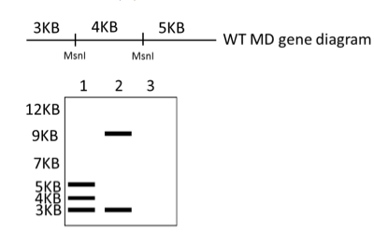 3. [9 points total] The MD gene is implicated in muscular dystrophy. When you isolate the MD gene from a normal individual, the MD gene is cut into 3 fragments with the restriction enzyme MsnI (see the gene map below). The lines along the sequence represent where MsnI cuts the DNA. The numbers indicate the size of each fragment. A sample of normal DNA cut with MsnI is shown in lane 1 of the gel below. You have discovered that a single base mutation in this gene causes muscular dystrophy and changes the number of fragments produced when the DNA is cut by MsnI. A sample of this mutant MD gene cut with MsnI is shown in lane 2 of the gel below. A) [2 points] Circle the location of the mutation in the WT MD gene diagram above. | make this subpart 0:0, 1-2:1
 | cl11_fcsa3b |  | cl11_fcsa3b | 2 | 2 | B) [2 points] Explain how this mutation the result shown on the gel. | make this subpart 0-1.5:0, 2:1
 | cl11_fcsa3c |  | cl11_fcsa3c | 2 | 3 | C) [3 points] Draw the result for a person heterozygous for this mutation in the MD gene in lane 3 of the gel. Use thickness of bands to represent the amount of DNA. | make this subpart 0-2.5:0, 3:1
 | cl11_fcsa4_1 |  | cl11_fcsa4_1 | 2 | 3 | 4. [12 points total] Tay Sachs is an autosomal recessive disease. The gene responsible is the HexA gene, which encodes an enzyme that breaks down fatty acids called gangliosides; when these accumulate in the brain, they cause significant damage. Several different mutations in the HexA gene that are known to cause Tay Sachs disease are listed below. A) missense mutation in exon 3 B) nonsense mutation in exon 1 C) mutation in the promoter region D) deletion of enhancer region E) deletion of a silencer region F) mutation in 3’ UTR For each question below write the letter(s) of the correct answer. There may be more than one correct answer; list them all. If none of the mutations are correct, write “none.” 1. [3 points] Which of the mutations in the HexA gene listed above could lead to lower amounts of normal length HexA mRNA or no HexA mRNA? | all or nothing
 | cl11_fcsa4_2 |  | cl11_fcsa4_2 | 2 | 3 | 2. [3 points] Which of the mutations in the HexA gene listed above could lead to a HexA protein that is made but non-functional? | all or nothing
 | cl11_fcsa4_3 |  | cl11_fcsa4_3 | 2 | 3 | 3. [3 points] For which of the mutations in the HexA gene listed above would you expect to find normal amounts of shorter mRNA? | all or nothing
 | cl11_fcsa4_4 |  | cl11_fcsa4_4 | 2 | 3 | 4. [3 points] A transgenic mouse with mutation A in the HexA gene has lower than normal amounts of normal length HexA protein. Explain this result. | all or nothing
 | cl11_fcsa5a |  | cl11_fcsa5a | 2 | 5 | 5. [8 points total] You identify two recessive mutations in turtles. One that causes large size (s) and one that causes no tail (t). You cross a male turtle heterozygous for both traits (SsTt) with a female that is heterozygous for size and has no tail (Sstt). The 1000 F1 offspring produced from this cross are as follows: Wild type – 400 no tail – 361 large size – 117 large size and no tail – 122 A) [5 points] Perform a chi square analysis for this cross to test that the alleles assort independently. Calculate the chi square and degree of freedom. Show your work. X2 = _________Degrees of freedom = _________ | Combine 5a-c and make the entire question worth the following: 0-4.5:0, 5-7.5:1, 8:2
 | cl11_fcsa5b |  | cl11_fcsa5b | 2 | 2 | B) [2 points] The range of probability based on this data is between and ______________ | Combine 5a-c and make the entire question worth the following: 0-4.5:0, 5-7.5:1, 8:2
 | cl11_fcsa5c |  | cl11_fcsa5c | 2 | 1 | C) [1 point] Should you reject the tested hypothesis? Circle the correct answer. Not Reject Reject | Combine 5a-c and make the entire question worth the following: 0-4.5:0, 5-7.5:1, 8:2
 | cl11_fcsa6a |  | cl11_fcsa6a | 2 | 3 | 6. [6 points total] You would like to design a method to treat the most common mutation that causes sickle cell anemia using CRISPR/Cas. This mutation is a missense mutation that changes a glutamic acid to a valine at position 6 (G6A) of the B-globin gene. A) [3 points] You remove blood stem cells from a patient and use a virus to add the cas9 gene and a guide RNA. What other essential component must be added to the cells for this therapy to be successful? | all or nothing
 | cl11_fcsa6b |  | cl11_fcsa6b | 2 | 3 | B) [3 points] You are able to correctly modify the blood stem cells and return them to the patient, and her symptoms disappear. 1 week after the treatment is deemed successful, you sequence the genome of one of the patient’s egg cells (gametes). Would you expect the egg cell to have mutant or corrected normal copy of the B-globin gene? Explain your answer. | all or nothing
 | cl11_fcsa7a |  | cl11_fcsa7a | 2 | 1 | 7. [10 points total] You have been put in charge of sequencing a new species of eukaryote called Horribulis expensiveness. You isolate genomic DNA from H. expensiveness using next generation sequencing. Next, you prepare a set of clones and screen them for the presence of contiguous sequence markers, as shown below (letters represent markers). You obtain the following set of clones: FBE TRQ KCOPZ EGI RQDA GIUW QRTZP RTZP A) [1 points] How many contigs are present in these data? ______ | all or nothing
 | cl11_fcsa7b |  | cl11_fcsa7b | 2 | 2 | B) [2 points] What is one possible order of the markers on the largest contig? | all or nothing
 | cl11_fcsa7c |  | cl11_fcsa7c | 2 | 1 | C) [1 points] How many of the clones in the table are required to determine the order of the longest contig? | all or nothing
 | cl11_fcsa7d |  | cl11_fcsa7d | 2 | 2 | D) [2 points] You sequence a portion of the H. expensiveness genome and find multiple possible open reading frames at the beginning of the genome. Below is the sequence at the beginning of the first predicted gene. 5’ AATGGCATGCTAACGGCCCAAC… 3’ Circle the ATG codon that is most likely to be the start codon for this gene. Explain your choice. | 0:0, 0.5-1.5:1, 2:2
 | cl11_fcsa7e |  | cl11_fcsa7e | 2 | 2 | E) [2 points] You BLAST the sequence of the genome from part B and your BLAST results allow you to form hypothesis that this gene is a muscle gene. Briefly, what does the BLAST program do? | all or nothing
 | cl11_fcsa7f |  | cl11_fcsa7f | 2 | 2 | F) [2 points] You discover that this gene has a promoter region that is differentially methylated. You use bisulfite treatment followed by sequencing to reveal the methylation state of the promoter regions. Here is the partial sequence of the promoter region: CGCCGAATCG Which of the following sequences do you predict would represent the most highly methylated promoter region? Circle your answer. i. TGCTGAATTG ii. CGCCGAATTG iii. AGAAGAATCG iv. AGCAGAATAG | all or nothing
 | cl11_fcsa8a |  | cl11_fcsa8a | 2 | 2 | 8. [14 points total] Chromosomes were isolated from tumor cells from 2 different individuals with skin cancer. Each tumor had a chromosome abnormality, and the abnormal chromosomes are shown below. A) [2 points] What type of chromosome abnormality does the tumor from individual #1 have? | all or nothing
 | cl11_fcsa8b |  | cl11_fcsa8b | 2 | 3 | B) [3 points] Region J contains proto-oncogene p20. Describe how this chromosome abnormality could lead to cancer. | 0:0, 1-2.5:1, 3:2
 | cl11_fcsa8c |  | cl11_fcsa8c | 2 | 2 | C) [2 points] What type of chromosome abnormality does the tumor from individual #2 have? | all or nothing
 | cl11_fcsa8d |  | cl11_fcsa8d | 2 | 3 | D) [3 points] Individual 2 inherited a nonsense mutation in a gene that leads to a predisposition to skin cancer. What likely happened to cause cancer in this individual? | 0:0, 1-2.5:1, 3:2
 | cl11_fcsa8e |  | cl11_fcsa8e | 2 | 2 | E) [2 points] Next you isolate mRNA from the tumor cells of individual #1 and label it red. You isolate mRNA from non-cancer cells from individual #1 and label it green. You then mix equal amounts of total mRNA from each cell type and hybridize the mixture to a gene chip (microarray) that has probes for many mRNA sequences. What color would you expect the spot for p20 to be? | all or nothing
 | cl11_fcsa8f |  | cl11_fcsa8f | 2 | 2 | F) [2 points] You repeat the microarray experiment using tumor cell mRNA and normal mRNA from individual #2. What color would you expect the spot for a gene in region D to be? | all or nothing

MCDB2150_JK
 |  | New restructed question code (first time same question seen) | Final_all codes | Present in code=1, Present in excluded=2, absent=0, excluded due to data=3 | Maximum Possible Points in Data with MC/TF=1 |  | Recoding suggestion | Reasoning
cl7 | cl7_fc26 |  | cl7_fc26 | 1 | 1
 | cl7_fc27 |  | cl7_fc27 | 1 | 1
 | cl7_fc28 |  | cl7_fc28 | 1 | 1
 | cl7_fc29 |  | cl7_fc29 | 1 | 1
 | cl7_fc30 |  | cl7_fc30 | 1 | 1
 | cl7_fc31 |  | cl7_fc31 | 1 | 1
 | cl7_fc32 |  | cl7_fc32 | 1 | 1
 | cl7_fc33 |  | cl7_fc33 | 1 | 1
 | cl7_fc34 |  | cl7_fc34 | 1 | 1
 | cl7_fc35 |  | cl7_fc35 | 1 | 1
 | cl7_fc36 |  | cl7_fc36 | 1 | 1
 | cl7_fc37 |  | cl7_fc37 | 1 | 1
 | cl7_fc38 |  | cl7_fc38 | 1 | 1
 | cl7_fc39 |  | cl7_fc39 | 1 | 1
 | cl7_fc40 |  | cl7_fc40 | 1 | 1
 | cl7_fcsa1a |  | cl7_fcsa1a | 1 | 2
 | cl7_fcsa1b |  | cl7_fcsa1b | 1 | 3
 | cl7_fcsa1c |  | cl7_fcsa1c | 1 | 2
 | cl7_fcsa1d |  | cl7_fcsa1d | 1 | 3
 | cl7_fcsa2a |  | cl7_fcsa2a | 1 | 6
 | cl7_fcsa2b |  | cl7_fcsa2b | 1 | 6
 | cl7_fcsa2c |  | cl7_fcsa2c | 1 | 2
 | cl7_fcsa3a |  | cl7_fcsa3a | 1 | 3 | 3. (14 points total) Tay Sachs is an autosomal recessive disease. The gene responsible is the HexA gene, which encodes an enzyme that breaks down fatty acids called gangliosides; when these accumulate in the brain, they cause significant damage. The HexA gene on chromosome 15 is normally about 5 kb in length. The particular mutation displayed by individuals in this family is an in frame deletion of 900 bp from exon 2. A. [3 points] You decide to further analyze the consequences of the HexA mutation in the family shown in the pedigree. You measure the amount of mRNA produced from the HexA gene in brain cells in all the individuals in the pedigree. In which individuals would you expect to find normal amounts of HexA mRNA? B. [3 points] Other mutations in the HexA gene can also lead to Tay Sachs. If you sampled a patient with Tay Sachs and found she had normal amounts of full-length but non-functional HexA protein, what could you conclude is the most likely type of mutation in this individual? C. [5 points] If, in another patient, you find that they have a normal length HexA gene, but you measure very low to no levels of HexA mRNA in their tissue. What are two possible mutations that would cause this? D. [3 points] Further research demonstrates that in normal individuals the HexA protein is a different size in kidney tissue (30 amino acids shorter) compared to brain tissue. If the HexA gene normally has 6 exons and one start and stop codon, what could be the cause of these different protein sizes?
 | cl7_fcsa3b |  | cl7_fcsa3b | 2 | 3 |  | all or nothing
 | cl7_fcsa3c |  | cl7_fcsa3c | 2 | 5 |  | 0-2:0, 2.5-4:1, 5:2
 | cl7_fcsa3d |  | cl7_fcsa3d | 1 | 3
 | cl7_fcsa4a |  | cl7_fcsa4a | 1 | 2
 | cl7_fcsa4b |  | cl7_fcsa4b | 2 | 6 | Scoring is 0.5 per gamete and per % | 0-1:0, 2-5.5:1, 6:2 | 2 pts per genotype if get correct, then 2
 | cl7_fcsa5a |  | cl7_fcsa5a | 1 | 2 | 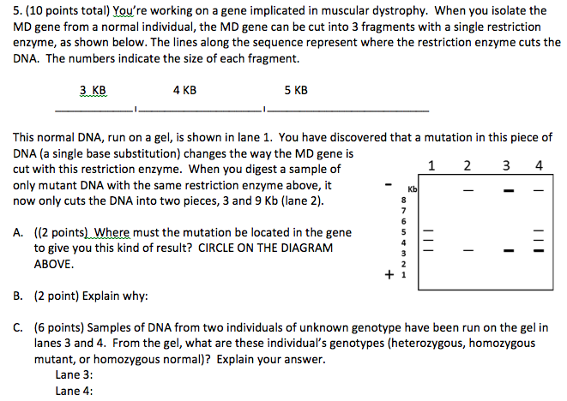
 | cl7_fcsa5b |  | cl7_fcsa5b | 1 | 2
 | cl7_fcsa5c |  | cl7_fcsa5c | 2 | 6 | scoring: 1 pt per genotype; 2 pts per explanation | all or nothing
 | cl7_fcsa6a |  | cl7_fcsa6a | 1 | 2 | 6. You have been put in charge of sequencing a new species of eukaryote called Horribulis expensiveness. You isolate genomic DNA from H. expensiveness using next generation sequencing. Next, you prepare a set of clones and screen them for the presence of contiguous sequence markers, as shown below (letters represent markers). You obtain the following set of clones: A. (2 points) How many contigs are present in these data? ______ B. (4 points) What is one possible order of the markers on the largest contig? C. (2 points) How many of the clones in the table are required to determine the order of the longest contig? __ D. (2 points) You BLAST the DNA sequence from the first gene in the H. expensiveness genome and find multiple possible open reading frames for a putative muscle gene. Just from the sequence below (a small sample from the sequence you are considering): 5’ AATGGCATGCCGGTAA… 3’ Which start codon is most likely to be the actual beginning of the open reading frame? Why? E. You discover a sequence in this genome that is likely involved (from sequence similarity) in muscle production. This gene has a promoter region that is differentially methylated, and you can use this methylation state to predict possible phenotypes in this organism. You use bisulfite treatment followed by sequencing to reveal the methylation state of the promoter regions. Here is the partial sequence of the promoter region: CGCCGAATCG Which of the following sequences do you predict would represent the highly methylated promoter region after treatment and sequencing? (2 points) Circle your answer: i. TGCTGAATTG ii. CGCCGAATTG iii. GCGGCTTAGC iv. AGAAGAATCG v. AGCAGAATAG (2 points) Explain why.
 | cl7_fcsa6b |  | cl7_fcsa6b | 2 | 4 |  | all or nothing
 | cl7_fcsa6c |  | cl7_fcsa6c | 1 | 2
 | cl7_fcsa6d |  | cl7_fcsa6d | 1 | 2
 | cl7_fcsa6e |  | cl7_fcsa6e | 1 | 4
cl17 | cl7_fcsa2a_16pre | cl7_fcsa2a |  |  | 6
 | cl7_fcsa2b_16pre | cl7_fcsa2b |  |  | 6
 | cl7_fcsa2c_16pre | cl7_fcsa2c |  |  | 2
 | cl7_fcsa3a_16pre | cl7_fcsa3a |  |  | 3
 | cl7_fcsa3b_16pre | cl7_fcsa3b |  |  | 3
 | cl7_fcsa3c_16pre | cl7_fcsa3c |  |  | 5
 | cl7_fcsa3d_16pre | cl7_fcsa3d |  |  | 3
 | cl7_fc28_16pre | cl7_fc28 |  |  | 1
 | cl7_fc33_16pre | cl7_fc33 |  |  | 1
 | cl7_fc34_16pre | cl7_fc34 |  |  | 1
 | cl7_fc39_16pre | cl7_fc39 |  |  | 1
 | cl7_fcsa1a_16pre | cl17_fcsa2a | cl17_fcsa2a | 0 | 2
 | cl7_fcsa1b_16pre | cl17_fcsa2b | cl17_fcsa2b | 0 | 3
 | cl7_fcsa1c_16pre | cl17_fcsa2c | cl17_fcsa2c | 0 | 2
 | cl7_fcsa1d_16pre | cl17_fcsa2d | cl17_fcsa2d | 0 | 3
 | cl7_fcsa5a_16pre | cl7_fcsa5a |  |  | 2
 | cl7_fcsa5b_16pre | cl7_fcsa5b |  |  | 2
 | cl7_fcsa5c_16pre | cl7_fcsa5c |  |  | 6
 | cl7_fc30_16pre | cl7_fc30 |  |  | 1
 | cl7_fc36_16pre | cl7_fc36 |  |  | 1
 | cl17_fcmc1 | cl11_fcmc26 | cl11_fcmc26 | 0 | 1
 | cl17_fcmc2 | cl11_fcmc27 | cl11_fcmc27 | 0 | 1
 | cl17_fcmc3 |  | cl17_fcmc3 | 1 | 1
 | cl17_fcmc4 |  | cl17_fcmc4 | 1 | 1
 | cl17_fcmc5 | cl7_fc38 |  |  | 1
 | cl17_fcmc6 | cl7_fc26 |  |  | 1
 | cl7_fc28_16post | cl7_fc28 |  |  | 1
 | cl7_fc30_16post | cl7_fc30 |  |  | 1
 | cl7_fc33_16post | cl7_fc33 |  |  | 1
 | cl7_fc34_16post | cl7_fc34 |  |  | 1
 | cl7_fc36_16post | cl7_fc36 |  |  | 1
 | cl7_fc39_16post | cl7_fc39 |  |  | 1
 | cl17_fcsa1a |  | cl17_fcsa1a | 1 | 2
 | cl17_fcsa1b |  | cl17_fcsa1b | 1 | 3
 | cl17_fcsa1c |  | cl17_fcsa1c | 1 | 2
 | cl17_fcsa1d |  | cl17_fcsa1d | 1 | 2
 | cl17_fcsa1e |  | cl17_fcsa1e | 1 | 2
 | cl17_fcsa1f |  | cl17_fcsa1f | 1 | 2
 | cl7_fcsa1a_16post | cl17_fcsa2a |  |  | 2
 | cl7_fcsa1b_16post | cl17_fcsa2b |  |  | 3
 | cl7_fcsa1c_16post | cl17_fcsa2c |  |  | 2
 | cl7_fcsa1d_16post | cl17_fcsa2d |  |  | 3
 | cl17_fcsa3a |  | cl17_fcsa3a | 1 | 2
 | cl17_fcsa3b |  | cl17_fcsa3b | 2 | 6 | B) [6 points] Gene loci (A) and (B) are 15 cM apart. Indicate all the possible gametes the female bunny can produce, and the % of each gamete that would be expected. | 0-1:0, 2-5.5:1, 6:2
 | cl17_fcsa3c |  | cl17_fcsa3c | 1 | 3 | C) [3 points] You test cross another heterozygote (AaBb) female bunny with an unknown haplotype. If that bunny has 100 offspring, and 7 of those bunnies have genotype Aabb, what would you predict the haplotype of the mother was? Explain.
 | cl7_fcsa2a_16post | cl7_fcsa2a |  |  | 6
 | cl7_fcsa2b_16post | cl7_fcsa2b |  |  | 6
 | cl7_fcsa2c_16post | cl7_fcsa2c |  |  | 2
 | cl17_fcsa5 |  | cl17_fcsa5 | 0 | 6
 | cl7_fcsa3a_16post | cl7_fcsa3a |  |  | 3
 | cl7_fcsa3b_16post | cl7_fcsa3b |  |  | 3
 | cl7_fcsa3c_16post | cl7_fcsa3c |  |  | 5
 | cl7_fcsa3d_16post | cl7_fcsa3d |  |  | 3
 | cl7_fcsa5a_16post | cl7_fcsa5a |  |  | 2
 | cl7_fcsa5b_16post | cl7_fcsa5b |  |  | 2
 | cl7_fcsa5c_16post | cl7_fcsa5c |  |  | 6

Metro
 |  | New restructed question code (first time same question seen) | Final_all codes | Present in code=1, Present in excluded=2, absent=0, excluded due to data=3 | Maximum Possible Points in Data with MC/TF=1 |  | Recoding suggestion
cl3 | cl3_fc10 |  | cl3_fc10 | 3 | 1
 | cl3_fc11 |  | cl3_fc11 | 1 | 1
 | cl3_fc12 |  | cl3_fc12 | 1 | 1
 | cl3_fc13 |  | cl3_fc13 | 1 | 1
 | cl3_fc14 |  | cl3_fc14 | 3 | 1
 | cl3_fc15 |  | cl3_fc15 | 1 | 1
 | cl3_fc16 |  | cl3_fc16 | 1 | 1
 | cl3_fc17 |  | cl3_fc17 | 1 | 1
 | cl3_fc18 |  | cl3_fc18 | 1 | 1
 | cl3_fc19 |  | cl3_fc19 | 1 | 1
 | cl3_fc20 |  | cl3_fc20 | 1 | 1
 | cl3_fc21 |  | cl3_fc21 | 1 | 1
 | cl3_fc22 |  | cl3_fc22 | 1 | 1
 | cl3_fc23 |  | cl3_fc23 | 1 | 1
 | cl3_fc24 |  | cl3_fc24 | 1 | 1
 | cl3_fc25 |  | cl3_fc25 | 1 | 1
 | cl3_fc26 |  | cl3_fc26 | 1 | 1
 | cl3_fc27 |  | cl3_fc27 | 1 | 1
 | cl3_fc28 |  | cl3_fc28 | 1 | 1
 | cl3_fc29 |  | cl3_fc29 | 1 | 1
 | cl3_fc30 |  | cl3_fc30 | 1 | 1
 | cl3_fc31 |  | cl3_fc31 | 1 | 1
 | cl3_fc32 |  | cl3_fc32 | 1 | 1
cl8 | cl8_fc1 | cl3_fc10 |  |  | 1
 | cl8_fc2 | cl3_fc11 |  |  | 1
 | cl8_fc3 |  | cl8_fc3 | 1 | 1
 | cl8_fc4 |  | cl8_fc4 | 1 | 1
 | cl8_fc5 |  | cl8_fc5 | 1 | 1
 | cl8_fc6 | cl3_fc14 |  |  | 1
 | cl8_fc7 | cl3_fc15 |  |  | 1
 | cl8_fc8 | cl3_fc19 |  |  | 1
 | cl8_fc9 | cl3_fc20 |  |  | 1
 | cl8_fc10 |  | cl8_fc10 | 1 | 1
 | cl8_fc11 |  | cl8_fc11 | 1 | 1
 | cl8_fc12 | cl3_fc23 |  |  | 1
 | cl8_fc13 | cl3_fc24 |  |  | 1
 | cl8_fc14 |  | cl8_fc14 | 0 | 1
 | cl8_fc17 |  | cl8_fc17 | 1 | 1
 | cl8_fc18 | cl3_fc29 |  |  | 1
 | cl8_fc19 | cl3_fc30 |  |  | 1
 | cl8_fc20 |  | cl8_fc20 | 1 | 1
 | cl8_fc21 | cl3_fc32 |  |  | 1
 | cl8_fc22 |  | cl8_fc22 | 1 | 1
cl13 | cl3_fc13_16pre | cl3_fc13 |  |  | 1
 | cl3_fc14_16pre | cl3_fc14 |  |  | 1
 | cl3_fc15_16pre | cl3_fc15 |  |  | 1
 | cl3_fc16_16pre | cl3_fc16 |  |  | 1
 | cl3_fc19_16pre | cl3_fc19 |  |  | 1
 | cl3_fc20_16pre | cl3_fc20 |  |  | 1
 | cl3_fc23_16pre | cl3_fc23 |  |  | 1
 | cl3_fc24_16pre | cl3_fc24 |  |  | 1
 | cl3_fc13_16post | cl3_fc13 |  |  | 1
 | cl13_fc2 |  | cl13_fc2 | 1 | 1
 | cl3_fc14_16post | cl3_fc14 |  |  | 1
 | cl3_fc15_16post | cl3_fc15 |  |  | 1
 | cl3_fc16_16post | cl3_fc16 |  |  | 1
 | cl13_fc6 |  | cl13_fc6 | 3 | 1
 | cl13_fc7 |  | cl13_fc7 | 1 | 1
 | cl13_fc8 |  | cl13_fc8 | 1 | 1
 | cl3_fc19_16post | cl3_fc19 |  |  | 1
 | cl3_fc20_16post | cl3_fc20 |  |  | 1
 | cl13_fc11 |  | cl13_fc11 | 1 | 1
 | cl13_fc12 |  | cl13_fc12 | 1 | 1
 | cl13_fc13 |  | cl13_fc13 | 1 | 1
 | cl13_fc14 |  | cl13_fc14 | 1 | 1
 | cl3_fc23_16post | cl3_fc23 |  |  | 1
 | cl3_fc24_16post | cl3_fc24 |  |  | 1
 | cl13_sa1 |  | cl13_sa1 | 2 | 15 | 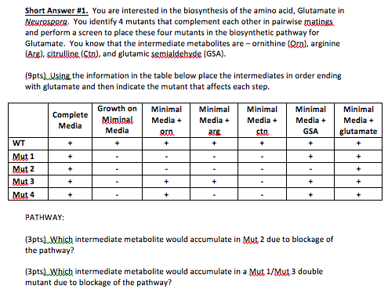 | all or nothing
 | cl13_sa2 |  | cl13_sa2 | 2 | 15 | 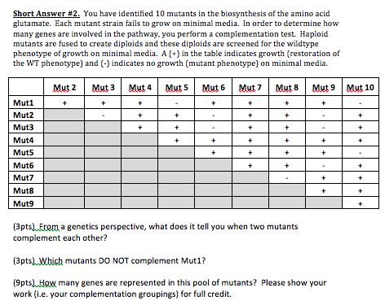 | all or nothing
 | cl13_sa3 |  | cl13_sa3 | 2 | 15 | 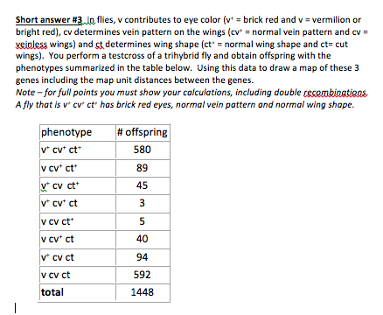 | all or nothing
cl18 | cl8_fc3_16pre | cl8_fc3 |  |  | 1
 | cl8_fc6_16pre | cl3_fc14 |  |  | 1
 | cl8_fc7_16pre | cl3_fc15 |  |  | 1
 | cl8_fc8_16pre | cl3_fc19 |  |  | 1
 | cl8_fc9_16pre | cl3_fc20 |  |  | 1
 | cl8_fc10_16pre | cl8_fc10 |  |  | 1
 | cl8_fc11_16pre | cl8_fc11 |  |  | 1
 | cl18_fc1 |  | cl18_fc1 | 0 | 1
 | cl18_fc2 |  | cl18_fc2 | 1 | 1
 | cl18_fc3 |  | cl18_fc3 | 1 | 1
 | cl8_fc3_16post | cl8_fc3 |  |  | 1
 | cl8_fc6_16post | cl3_fc14 |  |  | 1
 | cl8_fc7_16post | cl3_fc15 |  |  | 1
 | cl18_fc7 | cl8_fc5 |  |  | 1
 | cl18_fc8 | cl13_fc2 |  |  | 1
 | cl18_fc9 |  | cl18_fc9 | 1 | 1
 | cl8_fc8_16post | cl3_fc19 |  |  | 1
 | cl8_fc9_16post | cl3_fc20 |  |  | 1
 | cl8_fc10_16post | cl8_fc10 |  |  | 1
 | cl8_fc11_16post | cl8_fc11 |  |  | 1
 | cl18_fc14 | cl3_fc23 |  |  | 1
 | cl18_fc15 | cl3_fc24 |  |  | 1
 | cl18_fc16 |  | cl18_fc16 | 1 | 1
 | cl18_fc17 |  | cl18_fc17 | 1 | 1
 | cl18_fcsa1 | cl13_sa1 |  |  | 15
 | cl18_fcsa2 | cl13_sa2 |  |  | 15
 | cl18_fcsa3 | cl13_sa3 |  |  | 15

UGa
 |  | New restructed question code (first time same question seen) | Final_all codes | Present in code=1, Present in excluded=2, absent=0, excluded due to data=3 | Maximum Possible Points in Data with MC/TF=1 |  | Recoding suggestion
cl10 | cl10_me1_2 |  | cl10_me1_2 | 1 | 1
 | cl10_me1_28 |  | cl10_me1_28 | 1 | 1
 | cl10_me1_30 |  | cl10_me1_30 | 1 | 1
 | cl10_me1_44 |  | cl10_me1_44 | 2 | 14 | a. Below is a sketch of the sugar found in nucleotides. On this structure label the 5' and 3' carbons and indicate the location of the phosphate group(s) attachment and the location where the base is attached. Also show the position of the hydroxyl group in ribonucleotides that is absent in deoxyribonucleotides. You do not need to show the chemical structure of the base, phosphate or hydroxyl group. 6 pts b. When a double stranded DNA molecule is blunt cut, the two strands are chemically different at the break. What is the difference between the two strands at the break? 4 pts c. What is the difference between a blunt cut and a staggered cut of a double stranded DNA molecule. | 0-3.6:0 (since got no answer completely correct), 4-7.6:1 (since did not get at least 2 questions correct), 8-13:2, 14:3
 | cl10_me2_2 |  | cl10_me2_2 | 1 | 1
 | cl10_me2_11 |  | cl10_me2_11 | 1 | 1
 | cl10_me2_17 |  | cl10_me2_17 | 1 | 1
 | cl10_me2_20 |  | cl10_me2_20 | 1 | 1
 | cl10_me2_25 |  | cl10_me2_25 | 1 | 1
 | cl10_me2_28 |  | cl10_me2_28 | 1 | 1
 | cl10_me2_32 |  | cl10_me2_32 | 1 | 1
 | cl10_me2_33 |  | cl10_me2_33 | 1 | 1
 | cl10_me2_39 |  | cl10_me2_39 | 2 | 22 | 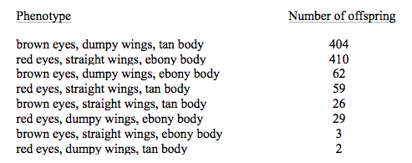 Two pure breeding lines of Drosphila are crossed. Flies with brown eyes, dumpy wings, and tan body color are crossed with red eyes, smooth straight wings, and ebony body color. All of the F1 flies have red eyes, straight wings, and tan body color. Individuals from this F1 are testcrossed to obtain the following 1000 offspring: A) Which phenotype is dominant at each locus? 3 pts B) What is the genotype and phenotype of the flies to which the F1 are testcrossed? 4 pts C) Calculate the map distances and draw a map of these three loci. 15 pts | exclude
 | cl10_me2_40 |  | cl10_me2_40 | 2 | 8 | Mark and Sue are having a child and go see a genetic counselor because each had a sibling with cystic fibrosis (CF). CF is a recessive disease and neither member of the couple nor any of their four parents are affected. What is the probability that Mark and Sue's child will be affected with CF? (8 points) Scoring year 2: award half credit for setting up answer correctly but making a math (multiplication) error | 0:0, 1-7.5:1, 8:2
 | cl10_me3_tf2 |  | cl10_me3_tf2 | 1 | 1
 | cl10_me3_mc12 |  | cl10_me3_mc12 | 1 | 1
 | cl10_me3_sa7 |  | cl10_me3_sa7 | 2 | 14 | Overexpression of two similar protein kinases, ERK1 and ERK2 (ERK1/2), has been associated with bone cancer (OS: osteosarcoma). Si et al. (2011) examined if RNA interference could be used to treat OS by reducing ERK1/2 expression. Figure 1: ERK1/2 mRNA and protein expression levels were examined in osteosarcoma cells alone (U2-OS), cells transfected with ERK1/2 siRNA, and cells transfected with scrambled siRNA (siCONTROL). Relative ERK1 and ERK2 mRNA levels were quantified by real-time PCR (A and B). Relative ERK1/2 protein levels were determined by Western blotting (C). a) Briefly explain the purpose of the following in the experiment i. U2-OS samples (2 pts)ii. Scrambled siRNA (2 pts)iii. β-actin (figure 1C) (2 pts) b) Briefly explain how qRT-PCR is able to determine RNA expression levels. (4 pts) c) RNAi successfully reduced ERK1/2 mRNA levels in this experiment. Explain how RNAi could effect ERK1/2 expression without altering mRNA levels. (4 pts) | 0-0.5:0, 1-3:1 (since didn't get any single answer correct), 4-13:2, 14:3 (or if do not want a 3 value, then could do 0-0.4:0, 1-13:1, 14:2)
 | cl10_me4_tf1 |  | cl10_me4_tf1 | 1 | 1
 | cl10_me4_mc17 |  | cl10_me4_mc17 | 1 | 1
 | cl10_me4_sa1 |  | cl10_me4_sa1 | 2 | 15 | 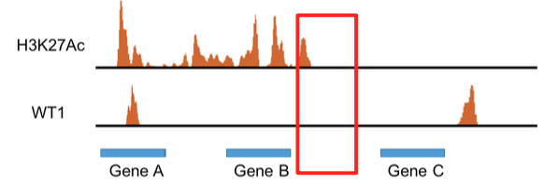 The figure above shows the results from two ChIP-Seq experiments using antibodies against acetylated histones (H3K27Ac) and a repressor protein (WT1) for a region of DNA containing three genes (A-C). a) 6 pts Predict if you expect expression levels each gene to be high or low and explain why. b. 3 pts Predict if you expect Cytosines in the DNA near each gene to be methylated or not. c. Explain the logic behind your answers to part (b) above. d. 2 ptsWhich of the genes would you expect to be sensitive to DNAse treatment and why? e. 2 pts Draw a circle/box on the figure where you expect to find an insulator sequence. | Not salvageable - not many 0 scores
 | cl10_me4_sa4 |  | cl10_me4_sa4 | 2 | 13 | a). What is the name for this kind of rearrangement? 2 pts b) Diagram how the copies of chromosome 1 will align during prophase 1. 4 pts c)Whatchromosomeswouldbeproducedbymeiosisifrecombinationbetweenregion “g” and “h” involving one sister chromatid from each chromosome took place? 4 pts d) A second couple at the clinic are in a similar situation. However, the rearrangement in the second couple involves regions C to H. How would you expect the fertility of these two couples to compare and why? 3 pts | exclude
 | cl10_me4_sa6 |  | cl10_me4_sa6 | 2 | 4 | DNA polymerase inserts the wrong nucleotide during replication. a) How can DNA polymerase prevent this from becoming a mutation? 2 pts b) DNA Polymerase does not fix the mistake and it becomes an incorporation error (shown at the right). This error can be fixed by mis-match repair enzymes. How does the cell know which nucleotide in the mismatch is incorrect? 2 pts | 0:0, 1-3:1, 4:2
 | cl10_me5_tf20 |  | cl10_me5_tf20 | 1 | 1
 | cl10_me5_mc29 |  | cl10_me5_mc29 | 1 | 1
 | cl10_me5_sa3 |  | cl10_me5_sa3 | 2 | 10 | 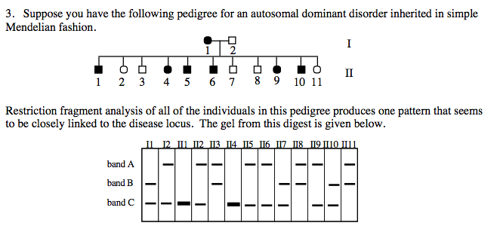 a). Which RFLP allele is associated with the disease allele? 2 pts B). What is the frequency of recombination between this RFLP locus and the disease locus? Show your work. 8 pts | 0:0, 2-9:1, 10:2
 | cl10_me6_20 |  | cl10_me6_20 | 1 | 1
 | cl10_me6_25 |  | cl10_me6_25 | 1 | 1
 | cl10_me6_32 |  | cl10_me6_32 | 1 | 1
 | cl10_me6_41 |  | cl10_me6_41 | 1 | 1
 | cl10_me6_46 |  | cl10_me6_46 | 2 | 7 | 46. You determine that two independently assorting loci, A and B, contribute to tail length in mice. Locus A has two alleles, A and a, and Locus B has two alleles, B and b. Assume that the environment has no effect on the phenotype under standard laboratory conditions. Mice of genotype aabb have tails that are 5 cm long. Each copy of allele A or allele B increases tail length by 1 cm. a. Which genotypes will produce mice with 7 cm long tails? (3 pts) b. From a cross of double heterozygotes (i.e., AaBb x AaBb), what proportion of the progeny would you expect to have tails that are 7 cm long? (4 pts) | 0-2:0, 3-6:1, 7:2
 | cl10_me6_49 |  | cl10_me6_49 | 2 | 16 | a. What is linkage disequilibrium (LD)? i.e., what does LD measure? (4 pts) b. In cats, the extent of linkage disequilibrium varies over 20-fold across the genomes of different breeds, with Burmese cats having over 20 times greater linkage disequilibrium than Siberian cats. In the graph below, draw a line for each breed to show what you would expect the relative patterns of LD decay to look like. Be sure to label your lines. (4 pts) (NOTE TO RATERS: ANSWER KEY IMAGE SHOWN ABOVE) c. A rare type of eye cancer is found in both Burmese and Siberian cats, so you decide to do a GWAS study within each breed to try to uncover the genetic basis of this cancer. What does the difference in linkage disequilibrium between Burmese and Siberian cats suggest about the density of SNPs you need to use in each of your GWAS studies? Explain. (4 pts) d. Considering only the relative size of linkage disequilibrium in Burmese and Siberian cats, which breed do you expect will give you better genomic resolution (i.e., get you closer to the causal genes) in a GWAS study? Explain. (4 pts) | 0-3:0, 4-15:1, 16:2
cl20 | cl10_me1_2_16pre | cl10_me1_2 |  |  | 1
 | cl10_me4_mc17_16pre | cl10_me4_mc17 |  |  | 1
 | cl10_me6_41_16pre | cl10_me6_41 |  |  | 1
 | cl10_me1_44a_16pre | cl10_me1_44 |  |  | 6
 | cl10_me1_44b_16pre |  |  |  | 4
 | cl10_me1_44c_16pre |  |  |  | 4
 | cl10_me2_40_16pre | cl10_me2_40 |  |  | 8
 | cl10_me5_tf20_16pre | cl10_me5_tf20 |  |  | 1
 | cl10_me5_mc29_16pre | cl10_me5_mc29 |  |  | 1
 | cl10_me6_32_16pre | cl10_me6_32 |  |  | 1
 | cl10_me3_sa7a_16pre | cl10_me3_sa7 |  |  | 6
 | cl10_me3_sa7b_16pre |  |  |  | 6
 | cl10_me3_sa7c_16pre |  |  |  | 4
 | cl10_me4_sa6a_16pre | cl10_me4_sa6 |  |  | 2
 | cl10_me4_sa6b_16pre |  |  |  | 2
 | cl10_me1_2_16post | cl10_me1_2 |  |  | 1
 | cl10_me4_mc17_16post | cl10_me4_mc17 |  |  | 1
 | cl10_me6_41_16post | cl10_me6_41 |  |  | 1
 | cl10_me1_44a_16post | cl10_me1_44 |  |  | 6
 | cl10_me1_44b_16post |  |  |  | 4
 | cl10_me1_44c_16post |  |  |  | 4
 | cl10_me2_40_16post | cl10_me2_40 |  |  | 8
 | cl10_me5_tf20_16post | cl10_me5_tf20 |  |  | 1
 | cl10_me5_mc29_16post | cl10_me5_mc29 |  |  | 1
 | cl10_me6_32_16post | cl10_me6_32 |  |  | 1
 | cl10_me3_sa7a_16post | cl10_me3_sa7 |  |  | 6
 | cl10_me3_sa7b_16post |  |  |  | 6
 | cl10_me3_sa7c_16post |  |  |  | 4
 | cl10_me4_sa6a_16post | cl10_me4_sa6 |  |  | 2
 | cl10_me4_sa6b_16post |  |  |  | 2

